Sheet1
https://randomnerdtutorials.com/esp32-pinout-reference-gpios/
GPIO | Input | Output | Pin Relay | Actual | Remarks
0 | pulled up | 20 | 4A | J2-3 | outputs PWM signal at boot, must be LOW to enter flashing mode
1 |  | 21 | 5A | J1-3 | connected to on-board LED, debug output at boot
2 |  | 1 | 1 | J2-4 | must be left floating or LOW to enter flashing mode
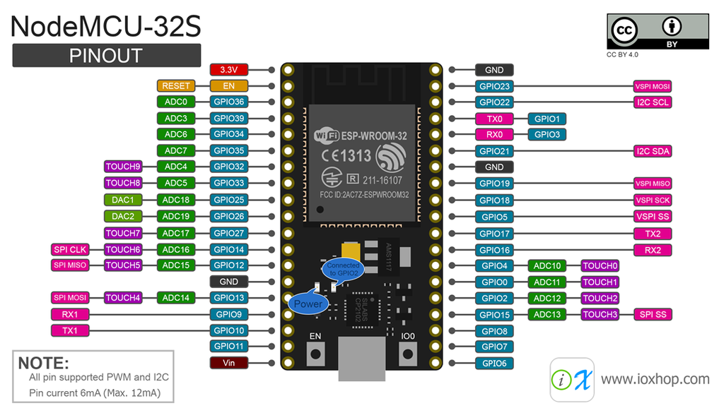
3
4 |  | 2 | 2 | J2-2
5 |  | 3 | 3 | J1-7
6 |  |  |  |  | connected to the integrated SPI flash
7 |  |  |  |  | connected to the integrated SPI flash
8 |  |  |  |  | connected to the integrated SPI flash
9 |  |  |  |  | connected to the integrated SPI flash
10 |  |  |  |  | connected to the integrated SPI flash
11 |  |  |  |  | connected to the integrated SPI flash
12 |  | 19 | 3A | J3-2 | boot fails if pulled high, strapping pin
13 |  | 4 | 4 | J3-1
14 |  | 5 | 5 | J3-3
15 |  | 6 | 6 | J2-5 | outputs PWM signal at boot, strapping pin
16 |  | 7 | 7 | J2-1
17 |  | 8 | 8 | J1-8
18 |  | 9 | 9 | J1-6
19 |  | 10 | 10 | J1-5
20
21 |  | 11 | 11 | J1-4
22 |  | 12 | 12 | J1-2
23 |  | 13 | 13 | J1-1
24
25 |  | 14 | 14 | J3-6
26 |  | 15 | 15 | J3-5
27 |  | 16 | 16 | J3-4
28
29
30
31
32 |  | 17 | 1A | J3-8
33 |  | 18 | 2A | J3-7
34 |  |  |  |  | input only
35 |  |  |  |  | input only
36 |  |  |  |  | input only
37 |  |  |  |  | input only - no pin
38 |  |  |  |  | input only - no pin
39 |  |  |  |  | input only - no pin

CLK | CMD
SD0 | SD3
SD1 | SD2
RX | G35
GND | G34
GND | SN
 | SP
 | EN
 | 3V3

